Question-Work Tab
Econometrics 461 Homework #5: Due in Canvas by midnight Tuesday, March 19th
All of your calculations and conclusions can be completed where indicated below. This sheet is constructed to take your answers and populate the "Answer Sheet" tab. When you are finished, you may print the "Aswer Sheet" to PDF to upload to Canvas or upload this workbook. Use the same file naming convention as with the first homework: "Lastname Firstname UIN HW5." Due in Canvas by midnight Tuesday, March 19th

Name ==> | Solutions
Section ==>
UID ==>

1. The unemployment rates for Rural and Urban counties are Normally distributed with known population variances as shown in the table below. Independent samples of 76 Rural counties and 82 Urban counties are collected to give the sample means shown below.
 |  | Sample Size | Sample Mean | Population Variance σ2
 | Rural counties | 76 | 6.6 | 13.2
 | Urban counties | 82 | 7.7 | 9.1
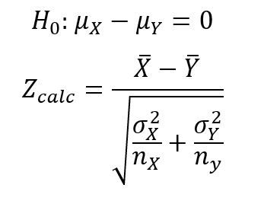
Test the null hypothesis that the two means are equal versus the alternative hypothesis that they are not equal at α=5%.
a. Calculated Z-score = | -2.0617196006 |  | alpha
b. Z(α/2) = | 1.9599639845 | Two Tailed | 0.05
c. Conclusion (Reject H0/Fail to Reject H0) | Reject

For Questions 2 and 3, use the data on the "HS SAT Data" tab. Treat the 2019 SAT" and "2020 SAT" variables as a paired (dependent) sample with unknown population variance. Calculate the difference (2020 - 2019) in the column labeled "2020 - 2019 Difference".
Sample Mean Difference: d-Bar = | 15.973684211
Sample Variance of the Difference: S2 = | 1366.9326316
Sample Size n = | 76

2. Construct a 95% Confidence Interval (α = 5%) for the Difference Variable |  | ME | alpha
a. t(α/2,n-1) = | 1.992102154 | 8.4484758018 | 0.05
b. UCL = | 24.422160012
c. LCM = | 7.5252084087

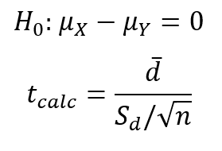
3. Test the null hypothesis that the difference is equal to zero versus the alternative hypothesis that 2020 is greater than 2019 (the difference is greater than zero), at α=1%.
a. Calculated t-Statistic = | 3.7665031503 |  | alpha
b. t(α,n-1) = | 2.3771018124 | One-Tailed | 0.01
c. Conclusion (Reject H0/Fail to Reject H0) | Reject

For Question 4 and 5, use the data on the "MSA Data" tab. Treat the "GDP Per Capita" variables for Group 1 and Group 2 as independent random samples with unknown population variances that are assumed to be equal.
Sample Mean GDP Per Capita Group 1 = | 54,796
Sample Variance GDP Per Capita Group 1 = | 259979550.15
Sample Size Group 1 = | 27

Sample Mean GDP Per Capita Group 2 = | 47,446
Sample Variance GDP Per Capita Group 2 = | 189854716.61
Sample Size Group 2 = | 25

Pooled Sample Variance = | 226319630.05

4. Construct a 95% Confidence Interval for the difference in the mean of GDP Per Capita for Group 1 - Group 2. |  | alpha | ME
a. t(α/2,nx+ny-2) = | 2.0085591121 | 0.05 | 8386.7851059
b. UCL = | 15,736
c. LCM = | -1,037

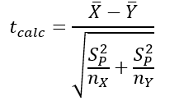
5. Test the null hypothesis that the two means are equal versus the alternative hypothesis that they are not equal at α=10%.
a. Calculated t-Statistic = | 1.7601211565 |  | alpha
b. t(α/2,nx+ny-2) = | 1.67591 | Two-Tailed | 0.1
c. Conclusion (Reject H0/Fail to Reject H0) | Reject

For Question 6 and 7, use the data on the "NCAA Data" tab. Treat the "ERA - Power 5" and "ERA - FCS" variables as independent random samples with unknown population variances that are NOT assumed to be equal.
Sample Mean ERA - Power 5 = | 4.1579166667
Sample Variance ERA - Power 5 = | 1.8449040493
Sample Size ERA - Power 5 = | 72

Sample Mean ERA - FCS = | 4.5715957447
Sample Variance ERA - FCS = | 2.5081576413
Sample Size ERA - FCS = | 94

Assumed degrees of freedom m = | 162
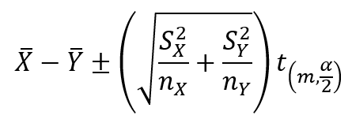
6. Construct a 95% Confidence Interval for the difference in the means of ERA - Power 5 and ERA - FCS |  | alpha | ME
a. t(α/2, m) = | 1.9747157859 | 0.05 | 0.4516283168
b. UCL = | 0.037949238782
c. LCM = | -0.86530739481

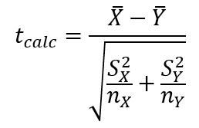
7. Test the null hypothesis that the two means are equal versus the alternative hypothesis that the mean of ERA - Power 5 is less than the mean of ERA - FCS at α=5%.
a. Calculated t-Statistic = | -1.8087851786 |  | alpha
b. t(α, m) = | 1.6543139565 | One-Tailed | 0.05
c. Conclusion (Reject H0/Fail to Reject H0) | Reject

For Question 8 and 9, use the data on the "HS SAT Data 2" tab. Use the "Female ≥ Male (Yes/No)" variables to calculate the Sample Proportions of schools where Females had SAT Math Scores greater than or equal to Males for Group 1 and Group 2.
Sample Proportion Female ≥ Male Group 1 = | 0.13333333333
Sample Size Group 1 = | 60

Sample Proportion Female ≥ Male Group 2 = | 0.28070175439
Sample Size Group 2 = | 57

Pooled Proportion = | 0.20512820513

8. Construct a 95% Confidence Interval for the difference in the Sample Proportions. |  | alpha | ME
a. Z(α/2) = | 1.9599639845 | 0.05 | 0.14493369046
b. UCL = | -0.0024347305942
c. LCM = | -0.29230211151

9. Test the null hypothesis that the proportions for the two groups are equal versus the alternative hypothesis that the proportion for Group 2 is larger at α=5%.
a. Calculated Z-Score = | -1.9731646175 |  | alpha
b. Z(α) = | 1.644853627 | One-Tailed | 0.05
c. Conclusion (Reject H0/Fail to Reject H0) | Reject

For Question 10, use the data on the "HS SAT Data 2" tab. Use the "SAT Math Female" variables for Group 1 and Group 2 to calculate the Sample Variances.
Sample Variance SAT Math Female Group 1 = | 3656.9548023
Sample Size Group 1 = | 60

Sample Variance SAT Math Female Group 2 = | 2027.5269424
Sample Size Group 2 = | 57

10. Test the null hypothesis that the variance of "SAT Math Female" is equal between the two groups versus the alternative hypothesis that the variance for Group 1 is larger at α=5%. (See the Notes tab for how to use F.INV.RT or F.INV to get the critical value below.) |  |  |  |  | 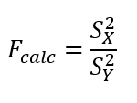
a. Calculated F-Statistic = | 1.8036528767 |  | alpha
b. F(α,nx-1,ny-1) = | 1.5512178266 | One Tailed | 0.05
c. Conclusion (Reject H0/Fail to Reject H0) | Reject

